Sheet1
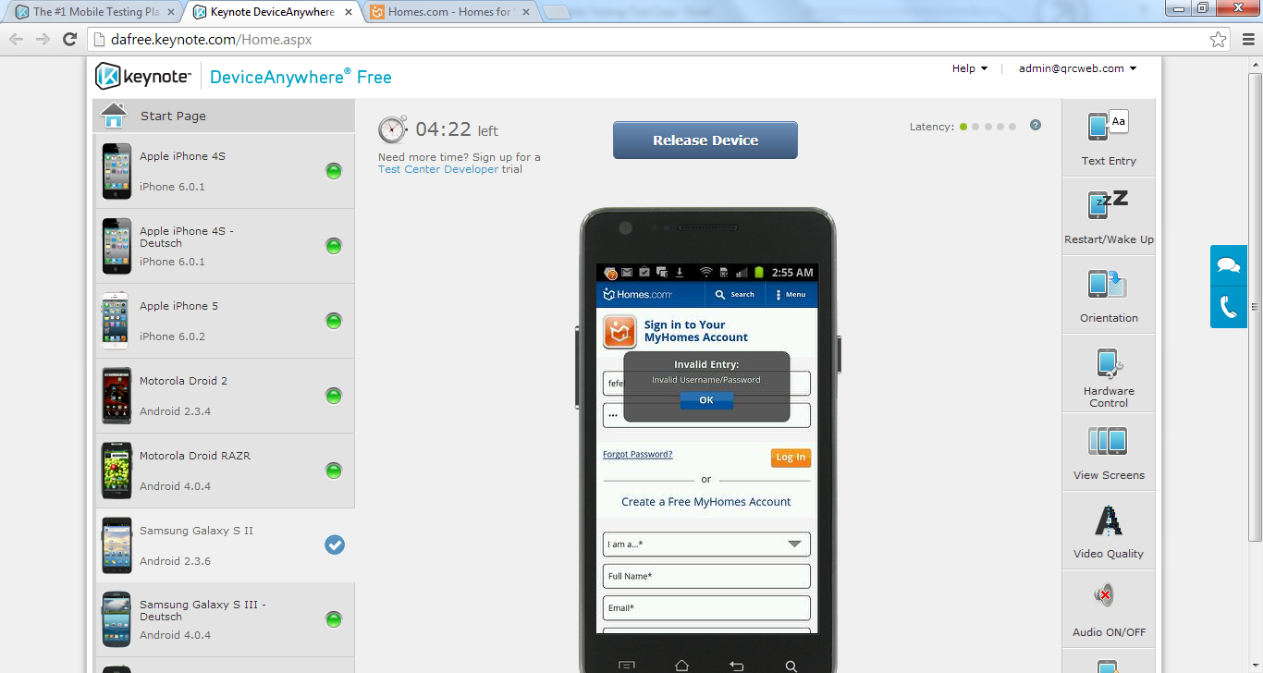
Requirement Reference | Test Case# | Pre-Condition | Objective | Test Step# | Detailed Test Step | Expected Results | Execution Result
1.1 | 1 | User should be given the mobile environment of the homes.com platform | To test the login functionality of Homes.com mobile platformwith invalid credentials | 1 | Launch the browser on your android device and navigate to www.homes.com | User should see the primary download page for homes.com | Fail
 |  |  |  | 2 | Click on 'I already have the app' | User should be navigated to the homepage of mobile website for Homes.com | Fail
 |  |  |  | 3 | Click on Signin | User should be see the Login window of Homes.com mobile website | Pass
 |  |  |  | 4 | From the Login window click on the orange logo (homes.com) logo | User shouls see the standard homes.com login page | Pass
 |  |  |  | 5 | Enter some invalid ID and Password | User is able to enter data in these fields | Pass
 |  |  |  | 6 | Click on login | User should see the invalid ID/Password error message | Pass

